Sheet1
 | BMP280 |  | NICLA SENSE ME |  |  |  |  | ARDUINO NANO 33 BLE SENSE |  |  | AMAZON SMART AIR MONITOR
LOCATION | TEMPERATURE | PRESSURE | TEMPERATURE | PRESSURE | HUMIDITY | IAQ | VOC | TEMPERATURE | PRESSURE | HUMIDITY | TEMPERATURE | HUMIDITY | IAQ | VOC
BEDROOM | 24.61 | 1025.93 | 30.44 | 1024.608 | 23 | 25 | 0.49 | 28.14 | 1028.1 | 33.8 | 25 | 32 | 98 | 1
HALLWAY | 21.79 | 1026.28 | 25.23 | 1024.577 | 28 | 25 | 0.49 | 21.85 | 1028.1 | 42.8 | 22 | 36 | 57 | 1
FRONT YARD | 15.07 | 1026.33 | 18.21 | 1024.624 | 35 | 25 | 0.49 | 15.3 | 1028.1 | 43.2 | 12.5 | 51 | 97 | 1
KITCHEN | 20.24 | 1026.07 | 25.72 | 1024.608 | 34 | 25 | 0.49 | 23.4 | 1028 | 46.7 | 22 | 41 | 95 | 2
LIVING ROOM | 24.19 | 1026.17 | 29.68 | 1024.741 | 24 | 25 | 0.49 | 28.8 | 1028.3 | 34.31 | 25 | 33 | 96 | 4
COMFORT ROOM | 21.25 | 1025.97 | 27.48 | 1024.452 | 30 | 25 | 0.49 | 25.55 | 1027.8 | 42.5 | 23 | 38 | 63 | 1
STAIRCASE | 17.05 | 1026.05 | 24 | 1024.327 | 29 | 25 | 0.49 | 22.9 | 1028 | 40.61 | 19 | 41 | 66 | 2
GARDEN | 16.01 | 1026.38 | 16.3 | 1024.764 | 40 | 25 | 0.49 | 14.98 | 1028.2 | 44.64 | 12 | 57 | 92 | 1

 | Average Pressure | 1026.1475 | Average Pressure | 1024.587625 |  |  |  | Average Pressure | 1028.075 |  | ACTUAL NW4 PRESSURE |  | 1032
 | Percentage Error | 0.567% | Percentage Error | 0.718% |  |  |  | Percentage Error | 0.380%

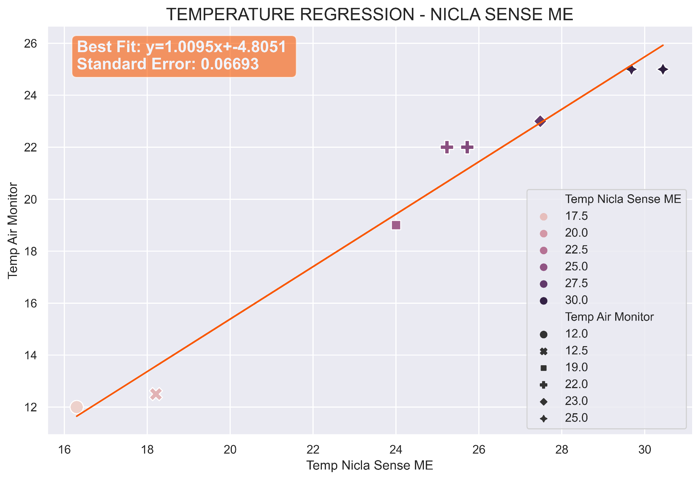
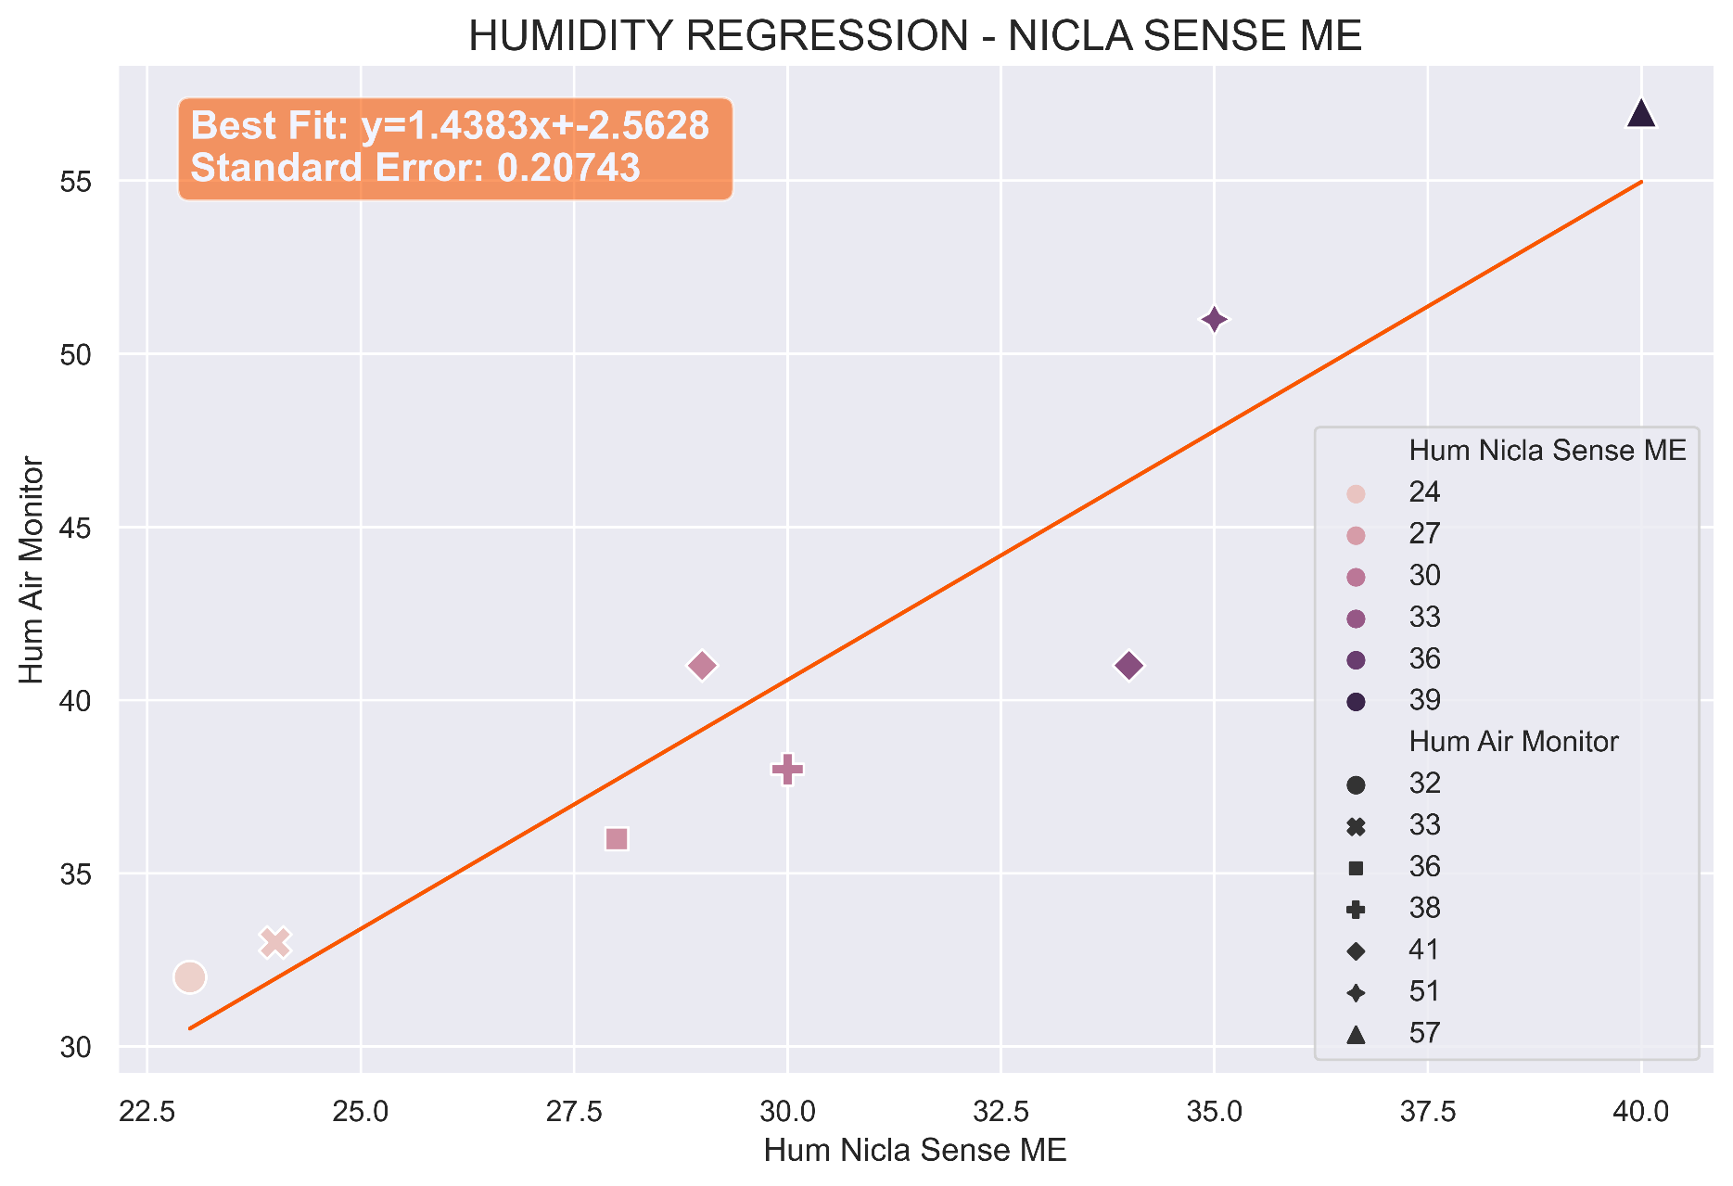

FINAL TEMPERATURE ERROR: 0 OR 0.5C (depending on rouding function/original float value) |  |  |  |  |  |  |  | FINAL HUMIDITY ERROR: 1% range 0-30; 2% range 30-60

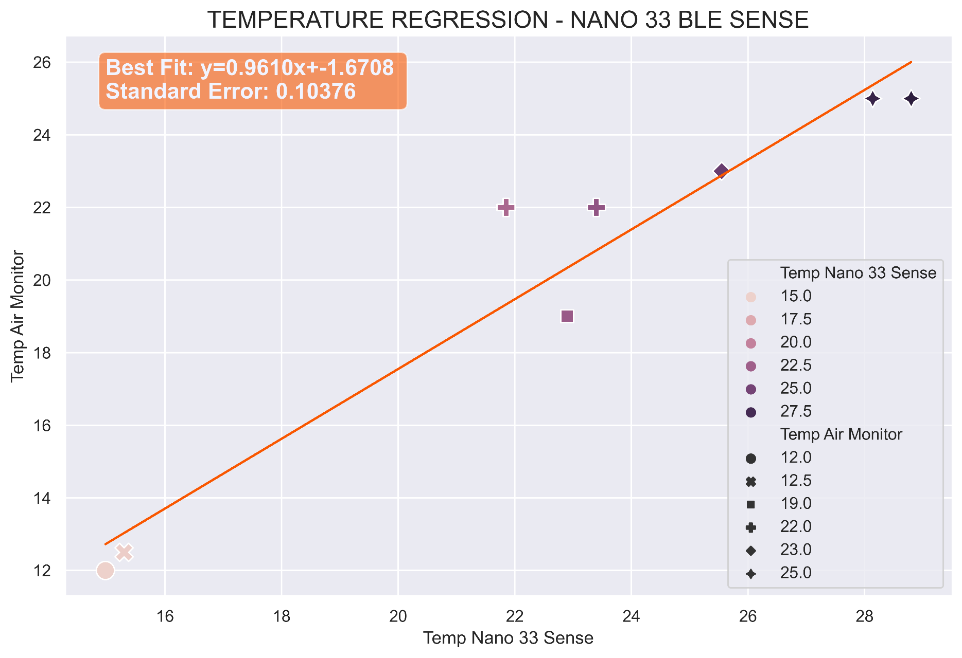
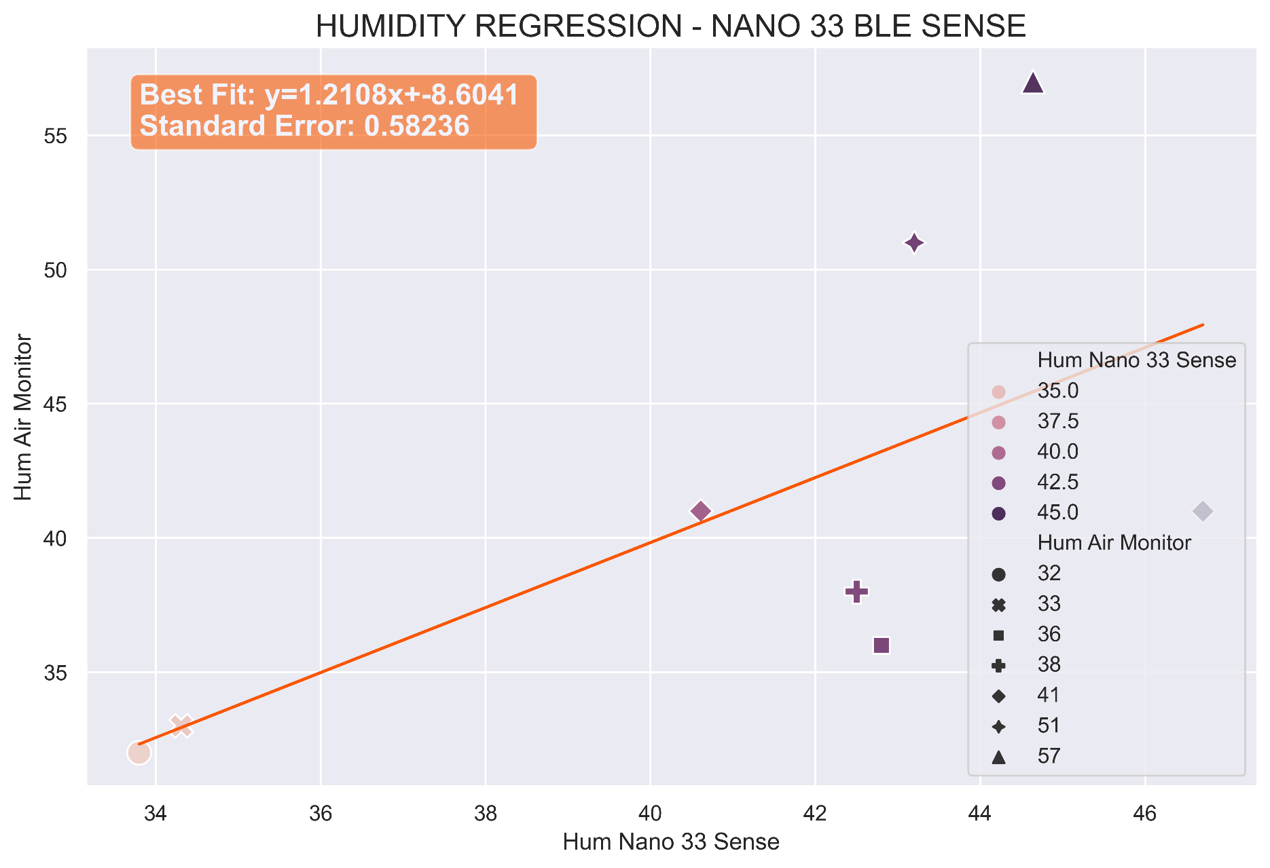

FINAL TEMPERATURE ERROR: 0.5-1.0C (depending on rouding function/original float value) |  |  |  |  |  |  |  | FINAL HUMIDITY ERROR: 0-10%

